Functionalty Testing
Test Case Name | Test Steps | Expected Result | Actual Result | Result | Screenshot
To verify the URL https://minicpq-dev-ed.my.salesforce.com/ | 1. Launch the valid URL so that It should redirect to the salesforce page | The URL should redirect to the salesforce home page | As Expected | Pass | 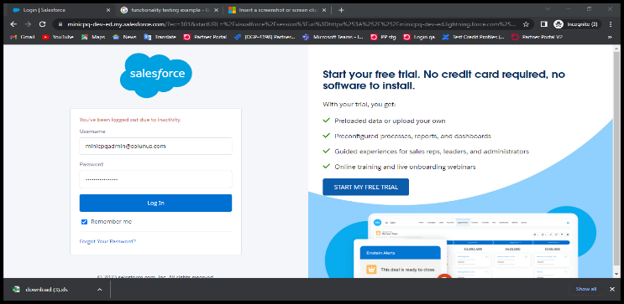
To check whether the Sales force favicon is visible in the google tab or not. | 1. Launch the valid URL so that It should redirect to the salesforce page | The favicon should be visible at the top of the URL | As Expected | Pass | 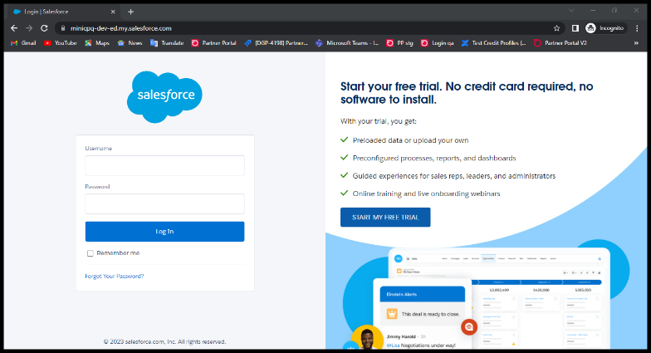
To valiadte the Username by giving the valid email address | 1. Launch the valid URL so that It should redirect to the salesforce page 2. Give the mail ID or usename in the input fields | It should successfully login | As Expected |  | 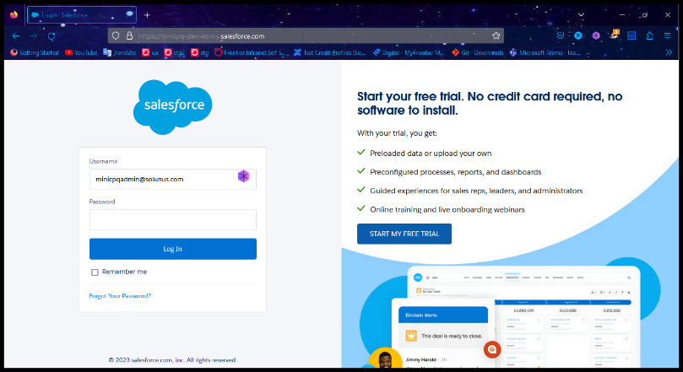
To check the Email ID by removing the '@' symbol | 1. Launch the valid URL so that It should redirect to the salesforce page 2. Give the mail ID or usename in the input fields | It should populate the error: Please check your username and password. If you still can't log in, contact your Salesforce administrator. | As Expected | Pass | 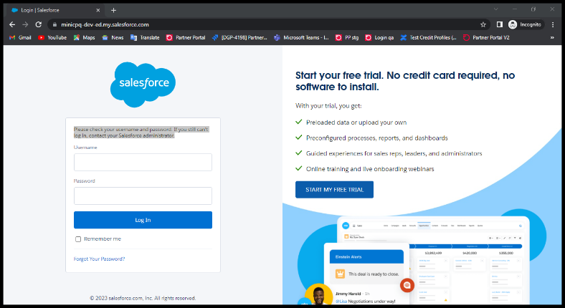
To valiadte the Password by giving the invalid password | 1. Launch the valid URL so that It should redirect to the salesforce page 2. Give the mail ID or usename in the input fields 3. Give the invalid password | It should populate the error: Please check your username and password. If you still can't log in, contact your Salesforce administrator. | As Expected | Pass | 
To valiadate the Password by giving the valid password | 1. Launch the valid URL so that It should redirect to the salesforce page 2. Give the mail ID or username in the input fields 3. Give the valid password | It should successfully login | As Expected | Pass | 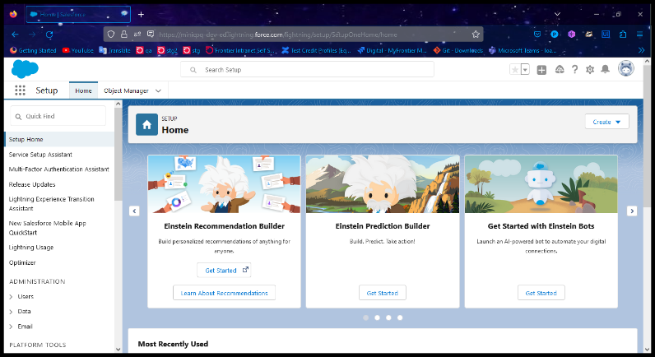
To verify the Contacts tab functioning | 1. Launch the valid URL so that It should redirect to the salesforce page 2. Give the mail ID or username in the input fields 3. Give the valid password 4. Click on contacts tab | It should display the created or existing contacts | As Expected | Pass | 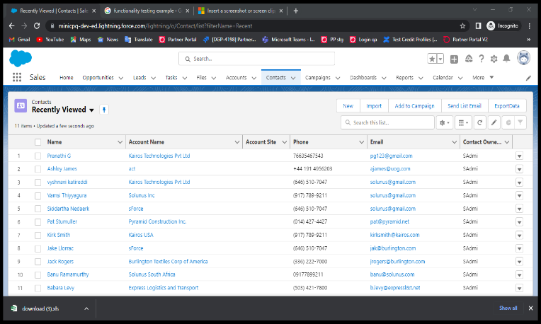
To validate that user is able to click check boxes of name tab | 1. Launch the valid URL so that It should redirect to the salesforce page 2. Give the mail ID or username in the input fields 3. Give the valid password 4. Click on contacts tab 5. Select the check box | The checked check box need to selected when user clicks on that | As Expected | Pass | 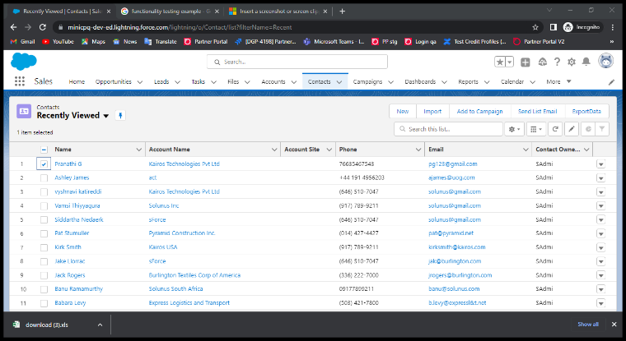
To validate that export data button is working | 1. Launch the valid URL so that It should redirect to the salesforce page 2. Give the mail ID or username in the input fields 3. Give the valid password 4. Click on contacts tab 5. Select the check boxes 6. Click on export button | On clicking the export data button it should redirects to Export Contacts ListView | As Expected |  | 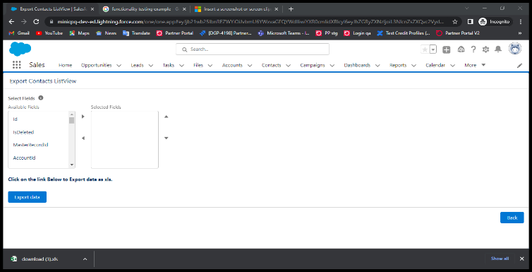
To validate that no record is selected | 1. Launch the valid URL so that It should redirect to the salesforce page 2. Give the mail ID or username in the input fields 3. Give the valid password 4. Click on contacts tab 5. Don’t Select the check boxes/records and click on export data button | On clicking export data button without selecting records, user should be able to see the error message which is displayed on the screen | As Expected | Pass | 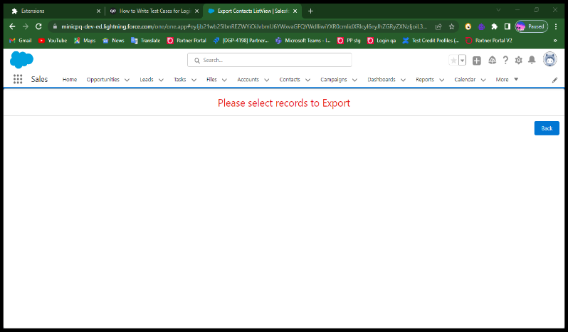
To validate the user is able to select the available fields along with customized fields | 1. Launch the valid URL so that It should redirect to the salesforce page 2. Give the mail ID or username in the input fields 3. Give the valid password 4. Click on contacts tab 5. Select the check boxes 6. Click on export tab 7. Go to available fields | On clicking the respective fields in the available fioeld box they should be selected | As Expected | Pass | 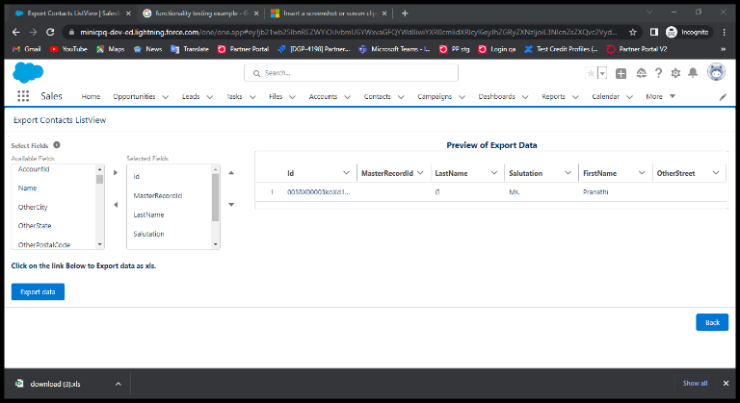
To validate the selected fields are populated in selected fields box | 1. Launch the valid URL so that It should redirect to the salesforce page 2. Give the mail ID or username in the input fields 3. Give the valid password 4. Click on contacts tab 5. Select the check boxes 6. Click on export tab 7. Go to available fields 8. Check the selected fields box | On selecting the available fields they need to be selected and populate in the selected fields box | As Expected | Pass | 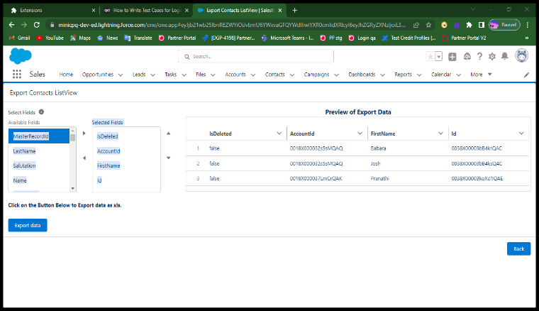
To validate Preview of export data is populating the selected fields | 1. Launch the valid URL so that It should redirect to the salesforce page 2. Give the mail ID or username in the input fields 3. Give the valid password 4. Click on contacts tab 5. Select the check boxes 6. Click on export tab 7. Check the selected fields box 8. Go to available fields | The selected fields must be populated in "Preview of export data" | As Expected | Pass
To validate that export button is downloading the selected fields in an excel sheet | 1. Launch the valid URL so that It should redirect to the salesforce page 2. Give the mail ID or username in the input fields 3. Give the valid password 4. Click on contacts tab 5. Select the check boxes 6. Click on export tab 7. Go to available fields 8. Check the selected fields box 9. Click on export tab | On clicking export button user must be able to download the exported data | As Expected | Pass | 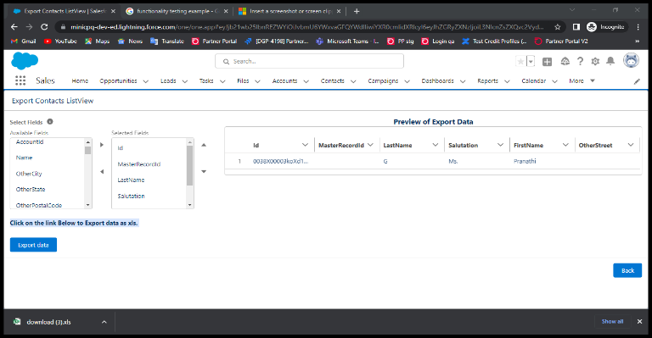
To Validate the data in the excel sheet(Actual Data VS Expected Data)given in the UI | 1. Launch the valid URL so that It should redirect to the salesforce page 2. Give the mail ID or username in the input fields 3. Give the valid password 4. Click on contacts tab 5. Select the check boxes 6. Click on export tab 7. Go to available fields 8. Check the selected fields box 9. Click on export tab | On downloading the excel sheet user must be able to see the selected data exported | As Expected | Pass | 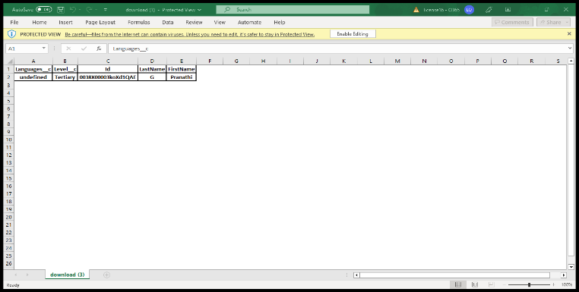
To Validate that the back button functionality | 1. Launch the valid URL so that It should redirect to the salesforce page 2. Click on contacts tab 3. Click on export tab 4. Click on Back button | On clicking on back button it should redirects to the contacts list view page | As Expected | Pass | 